Rapport-Indhold
Trafikregistrering - krydstælling m/video
Oversigt:

Sted: | Vermlandsgade - Kløvermarksvej

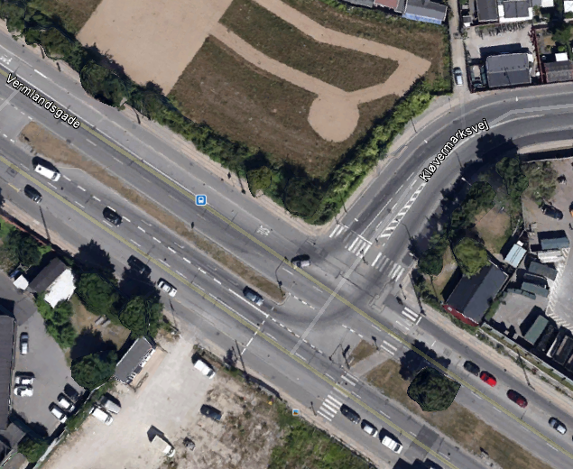
Dato: | 07-03-2013 kl. 7.00 - 10.00 og 15.00 - 18.00

V
N
Særlige forhold:

Bemærkninger:
Se yderligere bemærkninger under tabellerne

Analyser: | Lights | Person- og varebiler og motorcykler
 | Other vehicles: | Lastbiler og busser
 | Bicycles on road: | Cyklister
 | Pedestrians: | Fodgængere

Forklaring:
N.B.: Vedr. Ped/Fodgængere: | Retningen i tabellen er på den vej der krydses!
CW (ClockWise): | Retning med urets retning
Ø
CCW (CounterClockWise): | Retning mod urets retning
S
Right: | Højresving
Thru: | Lige over
Left: | Venstresving
U-Turn: | U-vending

 |  |  | Via Trafik
 |  |  | Søvej 13B | tlf: | 48209000
 |  |  | 3460 Birkerød | dir: | 48209042
 |  |  | www.viatrafik.dk

